Eurofer_diffusivity
EUROFER97-Mergia

Temp (K) | Thermal Diffusivity Coef. (cm2/s)
295.59585492 | 0.081640711902
322.79792746 | 0.080789766407
373.31606218 | 0.077536151279
472.79792746 | 0.075784204672
573.05699482 | 0.070728587319
673.31606218 | 0.064822024472
772.79792746 | 0.058014460512
873.05699482 | 0.050255839822

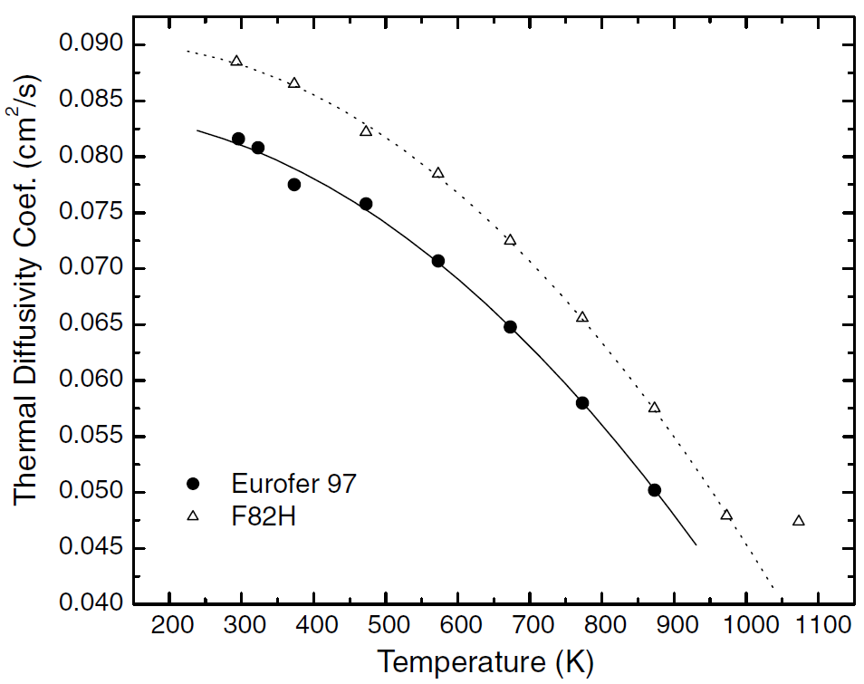

Reference: Figure 3 Mergia, K., and N. Boukos. "Structural, thermal, electrical and magnetic properties of Eurofer 97 steel." Journal of Nuclear Materials 373.1-3 (2008): 1-8.

Mergia&Boukos

Eurofer_specific_heat
EUROFER97-Mergia

Temp (K) | Specific Heat (J/kg-K)
296.1038961 | 448.39537869
322.72727273 | 461.48908858
348.05194805 | 475.35301669
373.37662338 | 485.36585366
398.05194805 | 496.14890886
423.37662338 | 504.62130937
447.4025974 | 513.86392811
472.72727273 | 521.5661104
498.05194805 | 530.03851091
522.72727273 | 536.97047497
548.05194805 | 544.67265725
572.72727273 | 550.83440308
598.05194805 | 556.99614891
622.72727273 | 565.46854942
648.05194805 | 573.17073171
673.37662338 | 583.95378691
698.05194805 | 597.04749679
722.72727273 | 611.68164313
747.4025974 | 628.62644416
773.37662338 | 655.58408216
797.4025974 | 687.16302953
822.72727273 | 721.05263158
847.4025974 | 764.18485237
872.72727273 | 801.15532734

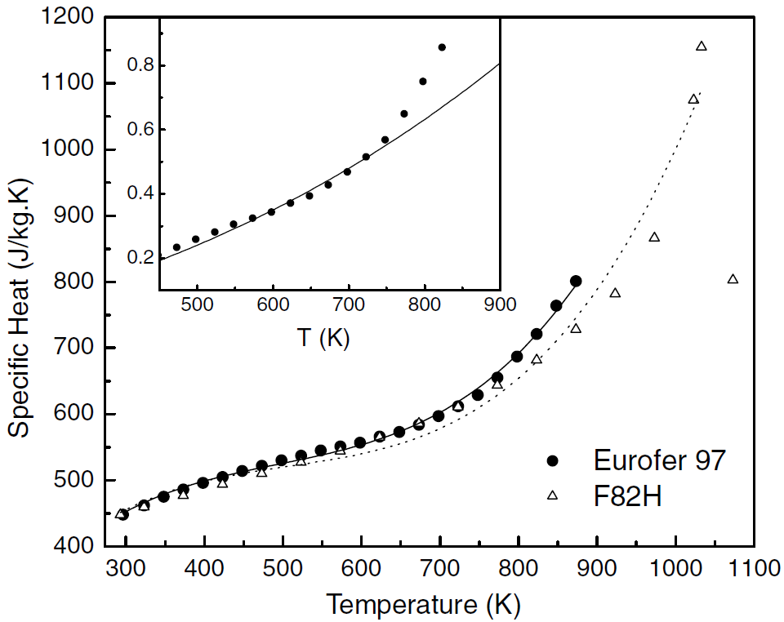

Reference: Figure 4 Mergia, K., and N. Boukos. "Structural, thermal, electrical and magnetic properties of Eurofer 97 steel." Journal of Nuclear Materials 373.1-3 (2008): 1-8.

Mergia&Boukos

Eurofer_conductivity
EUROFER97-Mergia

Temp (K) | Thermal Conductivity, k (W/m-K)
295.83333333 | 28.330097087
322.61904762 | 28.932038835
372.61904762 | 29.194174757
473.21428571 | 30.669902913
572.61904762 | 30.194174757
672.61904762 | 29.330097087
772.61904762 | 29.446601942
872.61904762 | 31.174757282

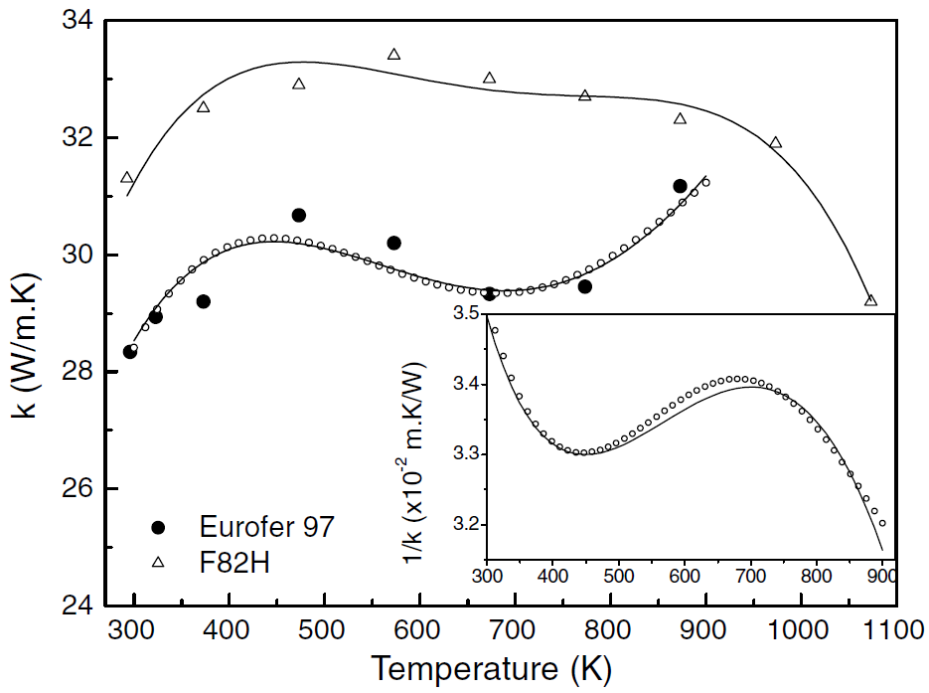

Reference: Figure 5 Mergia, K., and N. Boukos. "Structural, thermal, electrical and magnetic properties of Eurofer 97 steel." Journal of Nuclear Materials 373.1-3 (2008): 1-8.

Mergia&Boukos

Eurofer_resistivity
EUROFER97-Mergia

Temp (K) | Electrical Resistivity (x10-8 ohm-m)
303.31797235 | 51.077844311
327.64976959 | 54.550898204
344.23963134 | 56.467065868
365.80645161 | 59.101796407
396.22119816 | 62.814371257
423.31797235 | 66.407185629
450.41474654 | 69.281437126
467.00460829 | 71.437125749
497.41935484 | 75.508982036
523.41013825 | 77.425149701
545.52995392 | 81.137724551
577.05069124 | 84.730538922
601.93548387 | 87.245508982
657.78801843 | 93.473053892
682.11981567 | 96.22754491
708.11059908 | 99.580838323
734.65437788 | 102.5748503
763.41013825 | 105.80838323
783.87096774 | 107.96407186
817.05069124 | 111.19760479
850.23041475 | 114.19161677
883.96313364 | 117.4251497
924.88479263 | 121.37724551

*Important comment about data digitzed for EUROFER97: A subset of the data points were chosen along the least squares fit line. Difficult to discretize all points due to overlap.

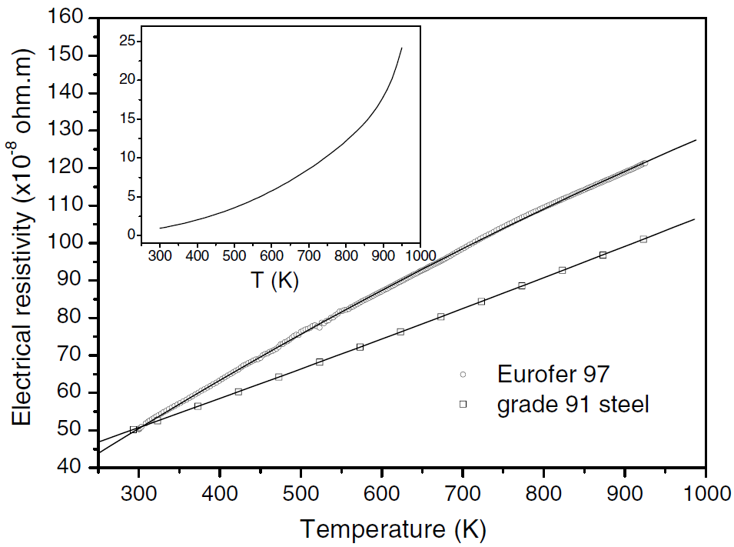

Reference: Figure 6 Mergia, K., and N. Boukos. "Structural, thermal, electrical and magnetic properties of Eurofer 97 steel." Journal of Nuclear Materials 373.1-3 (2008): 1-8.

Mergia&Boukos

Eurofer_CTE
EUROFER97

Temp (°C) | Coefficient of Thermal Expansion
100 | 10.6898734
200 | 11.0443038
300 | 11.3860759
400 | 11.6962025
500 | 11.9873418
600 | 12.2468354
700 | 12.4873418

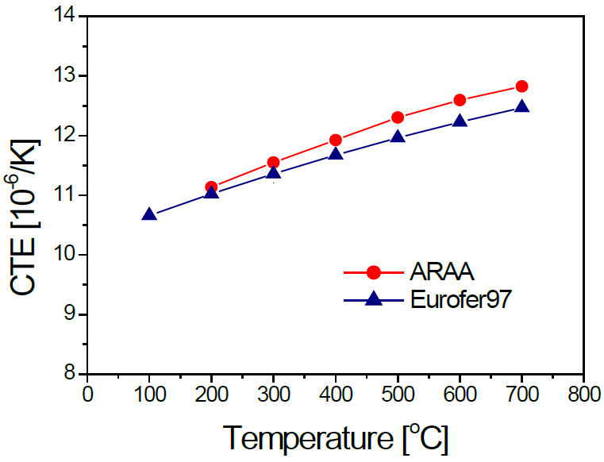

Reference: Fig 1a of Chun, Y. B., D. W. Lee, and C. K. Rhee. "Physical, thermal, magnetic and mechanical properties of ARAA." Transactions of the Korean Nuclear Society Spring Meeting, Gyeongju, Korea. 2015. | Chun ARAA vs Eurofer

Eurofer_emissivity
EUROFER97 - As-rolled |  | EUROFER97 - Polished |  | EUROFER97 - polished

Temp (K) | Hemispherical Emissivity | Temp (K) | Hemispherical Emissivity | Temp (K) | Hemispherical Emissivity | Normal Emissivity
473.100872 | 0.180080 | 430.136986 | 0.116901 | 423 | 0.1172727 | 0.0835354
573.225405 | 0.214688 | 524.283935 | 0.128974 | 523 | 0.1291919 | 0.1009091
672.976339 | 0.245272 | 624.034869 | 0.142656 | 623 | 0.1427273 | 0.1203030
772.727273 | 0.273843 | 724.906600 | 0.156338 | 723 | 0.1562626 | 0.1407071
872.851806 | 0.302012 | 820.921544 | 0.176459 | 823 | 0.1762626 | 0.1629293

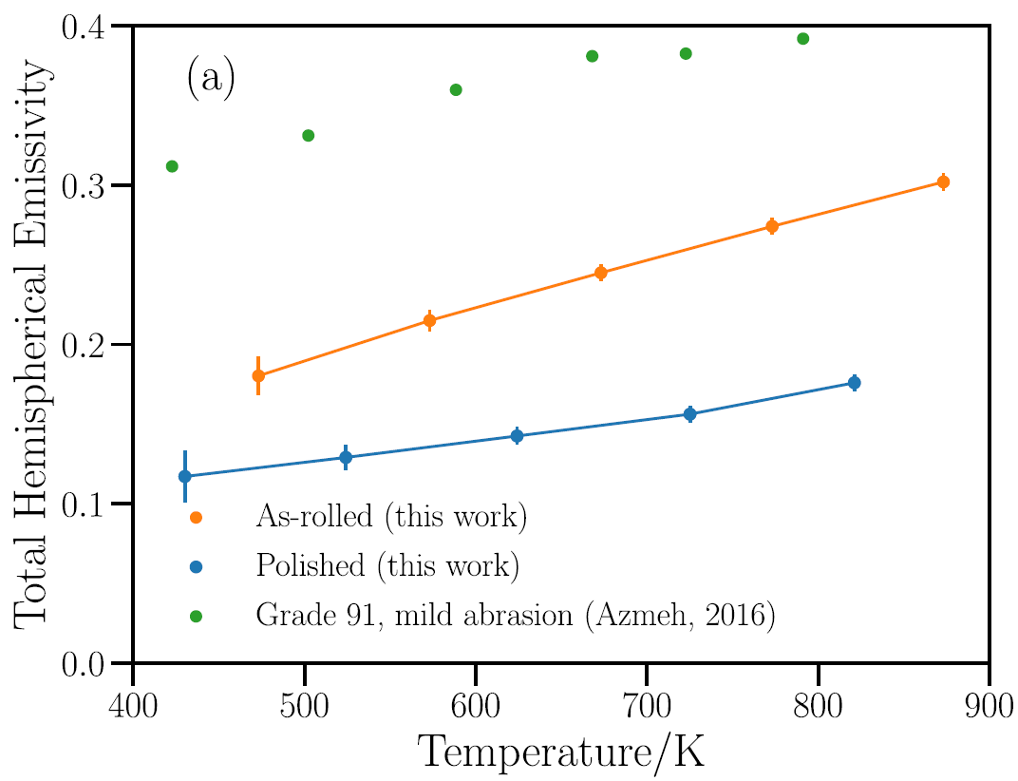
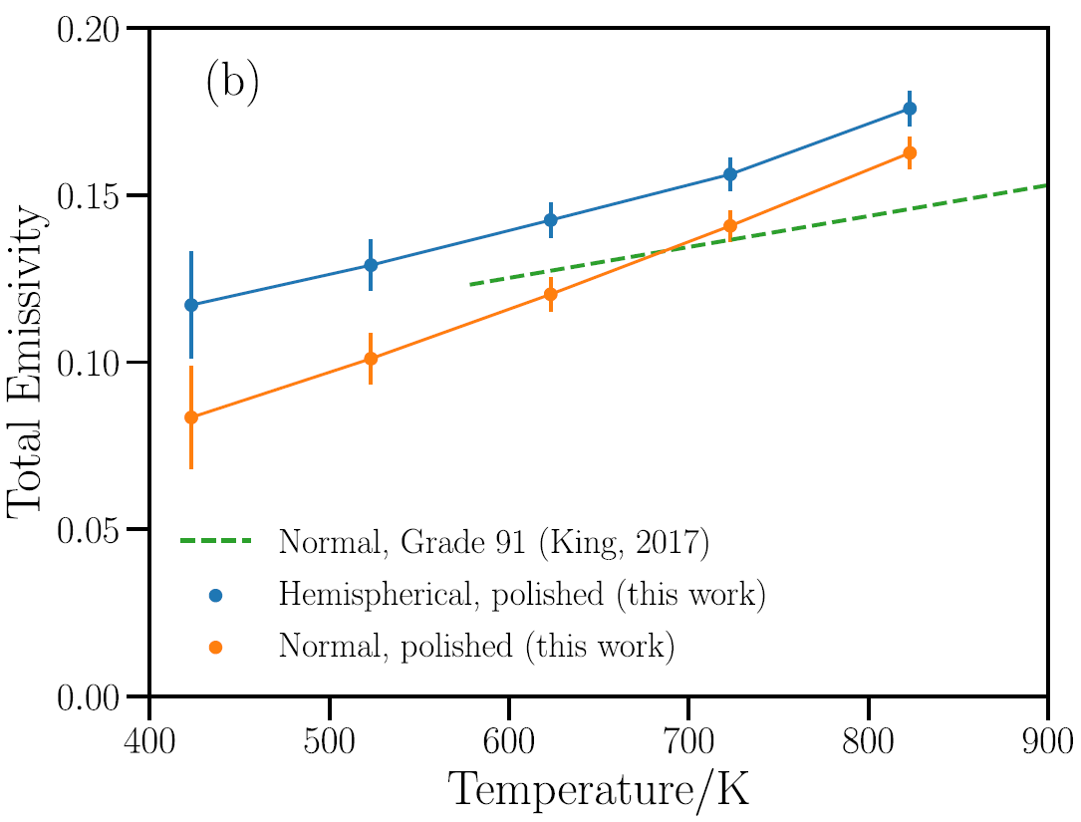
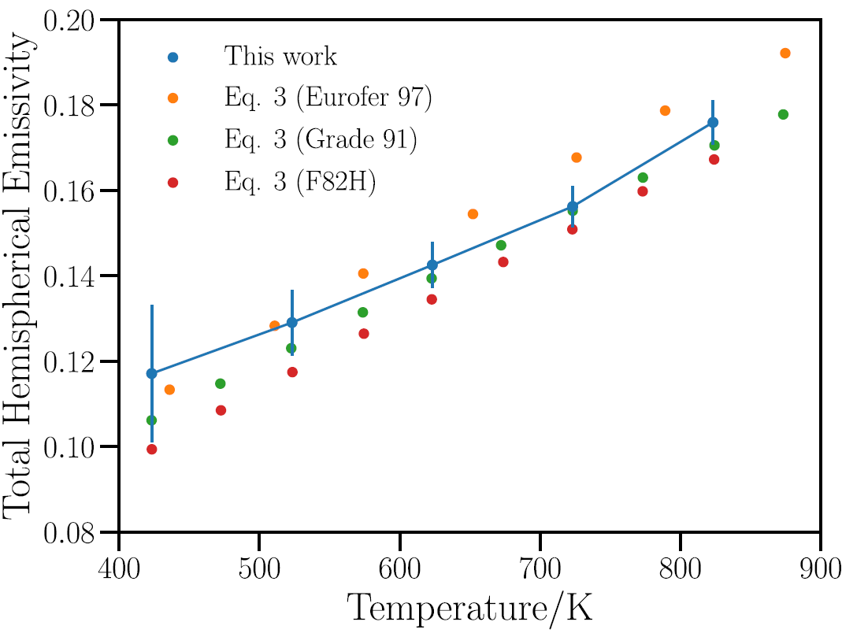

Fig 6a: Echániz, T., de Arrieta, I. G., Gil-Muñoz, A., Fernández-Pereda, J., Fuente, R., Klimenkov, M., & López, G. A. (2021). Infrared emissivity of reduced-activation Eurofer 97 for fusion reactor applications. Journal of Nuclear Materials, 549, 152907. | Echaniz Eurofer Emissivity |  | Fig 6b: Echániz, T., de Arrieta, I. G., Gil-Muñoz, A., Fernández-Pereda, J., Fuente, R., Klimenkov, M., & López, G. A. (2021). Infrared emissivity of reduced-activation Eurofer 97 for fusion reactor applications. Journal of Nuclear Materials, 549, 152907. |  |  |  | Fig 7: Echániz, T., de Arrieta, I. G., Gil-Muñoz, A., Fernández-Pereda, J., Fuente, R., Klimenkov, M., & López, G. A. (2021). Infrared emissivity of reduced-activation Eurofer 97 for fusion reactor applications. Journal of Nuclear Materials, 549, 152907.

Eurofer_strength
EUROFER97

Temp (°C) | Yield Strength (MPa)
20 | 547.8580991
50 | 525.3681392
100 | 508.7684070
150 | 494.8460509
200 | 486.2784471
250 | 479.3172691
300 | 471.8206158
350 | 462.7175368
400 | 448.7951807
450 | 427.3761714
500 | 397.9250335
550 | 355.6224900
600 | 299.9330656
650 | 228.1793842
700 | 137.1485944

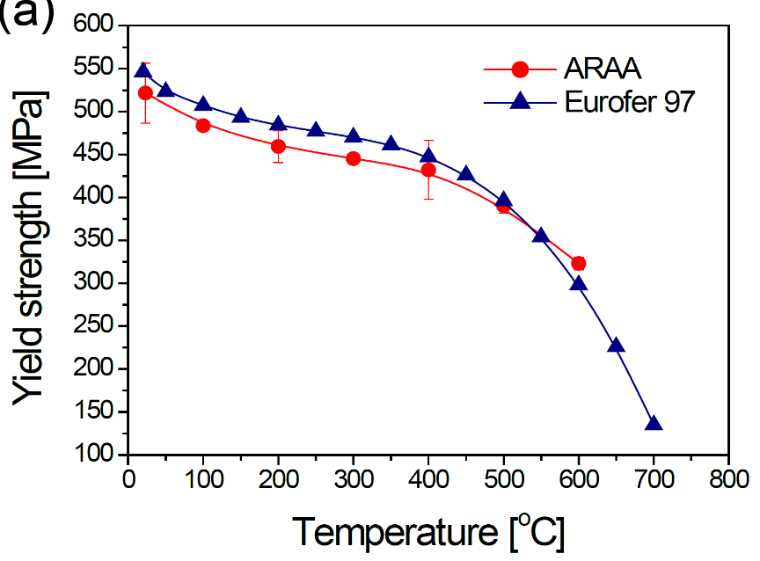

Reference: Fig 3a of Chun, Y. B., D. W. Lee, and C. K. Rhee. "Physical, thermal, magnetic and mechanical properties of ARAA." Transactions of the Korean Nuclear Society Spring Meeting, Gyeongju, Korea. 2015. | Chun ARAA vs Eurofer

Eurofer_ductility
EUROFER97

Temp (°C) | Total Elongation (%)
20 | 22.6382661
50 | 21.3303438
100 | 19.6860987
150 | 18.1913303
200 | 17.4439462
250 | 17.2197309
300 | 17.2197309
350 | 17.6681614
400 | 18.4529148
450 | 19.8729447
500 | 21.4798206
550 | 23.6098655
600 | 26.2630792
650 | 28.6547085
700 | 32.2421525

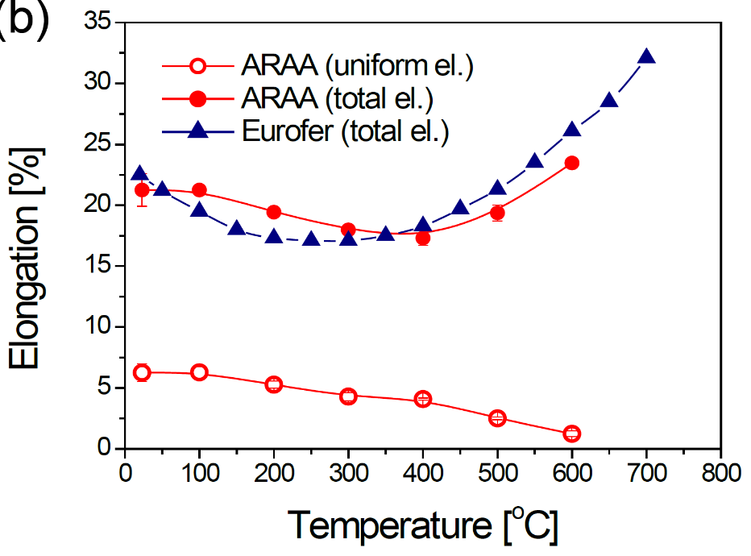

Reference: Fig 3b of Chun, Y. B., D. W. Lee, and C. K. Rhee. "Physical, thermal, magnetic and mechanical properties of ARAA." Transactions of the Korean Nuclear Society Spring Meeting, Gyeongju, Korea. 2015. | Chun ARAA vs Eurofer

